Highlights
Highlights

Industry overview

Superannuation assets totalled $2.9 trillion at the end of the September 2019 quarter. Over the 12 months from September 2018 there was a 7.1 per cent increase in total superannuation assets (Chart 1). Total assets in MySuper products were $779.2 billion at the end of the September 2019 quarter. Over the 12 months from September 2018 there was a 12.1 per cent increase in total assets in MySuper products (Chart 2).
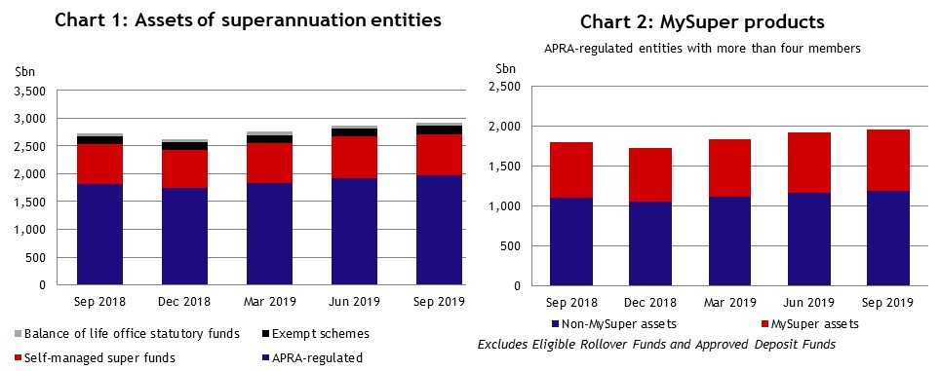
Entities with more than four members

The comments below are based on superannuation entities with more than four members.

Contributions, benefit transfers and benefit payments

There were $28.9 billion of contributions in the September 2019 quarter, up 9.6 per cent from the September 2018 quarter ($26.4 billion). Total contributions for the year ending September 2019 were $117.2 billion. Inward benefit transfers exceeded outward benefit transfers by $0.7 billion in the September 2019 quarter. There were $22.5 billion in total benefit payments in the September 2019 quarter, an increase of 18.7 per cent from the September 2018 quarter ($19.0 billion). Total benefit payments for the year ending September 2019 were $80.1 billion. Lump sum benefit payments ($11.8 billion) were 52.3 per cent and pension benefit payments ($10.7 billion) were 47.7 per cent of total benefit payments in the September 2019 quarter. For the year ending September 2019, lump sum benefit payments ($39.9 billion) were 49.9 per cent and pension payments ($40.1 billion) were 50.1 per cent of total benefit payments (Chart 3). Net contribution flows (contributions plus net benefit transfers less benefit payments) totalled $7.1 billion in the September 2019 quarter, an increase of 8.8 per cent from the September 2018 quarter ($6.6 billion). Net contribution flows for the year ending September 2019 were $38.6 billion (Chart 4).

Financial performance, financial position and asset allocation

The annual industry-wide rate of return (ROR) for entities with more than four members for the year ending September 2019 was 7.4 per cent. The five year average annualised ROR to September 2019 was 7.4 per cent (Chart 5). Over the September 2019 quarter, total assets increased by 2.3 per cent (or $47.1 billion) to $2.1 trillion. As at the end of the September 2019 quarter, 50.9 per cent of the $1.9 trillion investments were invested in equities, with 24.5 per cent in international listed equities, 22.2 per cent in Australian listed equities and 4.1 per cent in unlisted equities. Fixed income and cash investments accounted for 31.4 per cent of investments, with 21.8 per cent in fixed income and 9.6 per cent in cash. Property and infrastructure accounted for 14.2 per cent of investments while other assets, including hedge funds and commodities, accounted for 3.5 per cent (Chart 6).

