Highlights
Highlights

Summary

Total entity net profit after tax was $23.3 million for the 12 months to June 2019, of which: total benefit funds contributed $12.0 million and total management fund contributed $11.3 million.

Return on net assets for the 12 months to June 2019 quarter was 8.5 per cent, up from 7.6 per cent for the preceding period. This was driven by an increase in non-investment-linked fund profits, from $1.2m in the June 2018 year to $12.0m in the June 2019 year.

Financial performance

For the 12 months to 30 June 2019, friendly societies’ total revenue was $610.9 million, which was 20.9 per cent higher than in the previous 12 months (Chart 1). This outcome was driven by an increase in net policy revenue from $19.8 million to $26.3 million, and an increase in investment revenue from $460.6 million to $510.3 million over the same period.

For the 12 months to 30 June 2019, total benefit fund net contributions was -$49.9 million, compared to $63.6 million in the previous 12 months. Net policy revenue recognised as a deposit was $967.7 million in the 2019 year ($1.0 billion in 2018 year), compared with $ 1.0 billion of net policy expenses recognised as a withdrawal in the 2019 year ($974 million in 2018 year).

For the 12 months to 30 June 2019, total expenses were $497.5 million, an increase from $403.6 million in the previous 12 months. Total expenses in the 12 months to June 2019 mainly comprised an effective movement in net policy liabilities of $294.1 million, net policy expenses of $5.3 million and operating expenses of $188.0 million.

Operating expenses were $188.0 million in the 12 months to 30 June 2019, which was 65 per cent higher compared with the previous 12 months. Acquisition costs accounted for 17.2 per cent and maintenance costs accounted for 14.4 per cent of the total operating expenses (Chart 2).
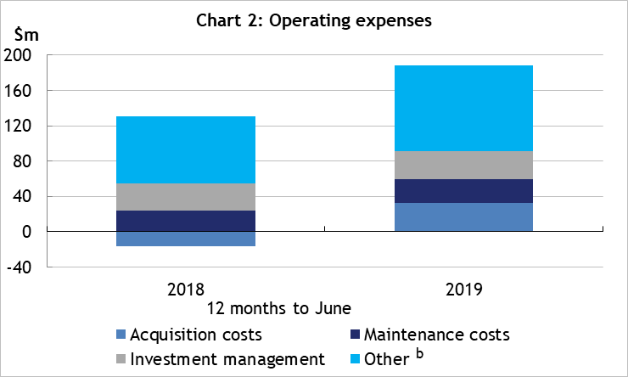

Total entity net profit after tax was $23.3 million in the June 2019 year, compared with $21.3 million in the June 2018 year, with total benefit fund contributing of $12.0 million and total management fund contributing $11.3million in the 12 months June 2019.

In the 12 months to 30 June 2019 return on net assets was 8.5 per cent, compared with 7.6 percent in the previous 12 months (Chart 3).

Beneft fund performance

Total friendly society unallocated benefit fund profit was $304.6 million for the 12 months to 30 June 2019, compared with $281.6 million in the previous year (an increase of 8.2%), of which defined contribution funds contributed $292.6 million and defined benefit funds contributed $12.0 million.

In the 12 months 30 June 2019 net benefit fund return on net benefit fund assets was 4.3%, up from 4.1% compared with the previous year (chart 4).
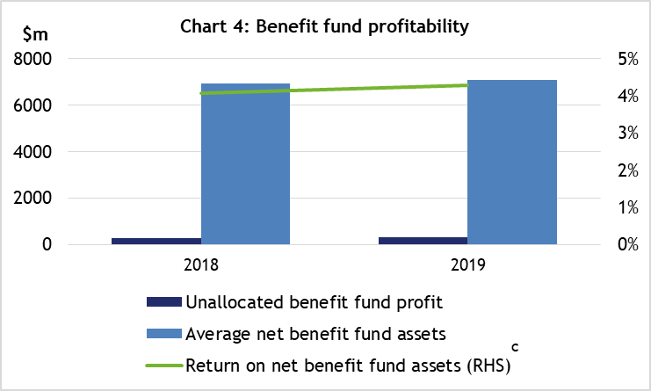

a 'Other revenue' includes management service fees.
b 'Other' comprises net movement in deferred acquisition costs, interest expenses and other operating expenses.
c See 'Return on net benefit assets' in the glossary.

Financial position

Total friendly society assets were $7.8 billion as at 30 June 2019 compared with $7.5 billion as at 30 June 2018. Friendly societies' non-investment-linked assets were $2.4 billion as at 30 June 2019, which has remained steady compared with 30 June 2018. Of total non-investment-linked assets, $2.1 billion (87.4 per cent) were invested in debt securities, $68 million (2.8 per cent) in equities, $38 million (1.6 per cent) in investment properties and $113 million (4.7 per cent) in cash and deposits (Chart 5).

Capital adequacy

The prescribed capital amount coverage ratio for the industry stood at 2.29 at 30 June 2019, compared with 2.62 at 30 June 2018 (Chart 6).

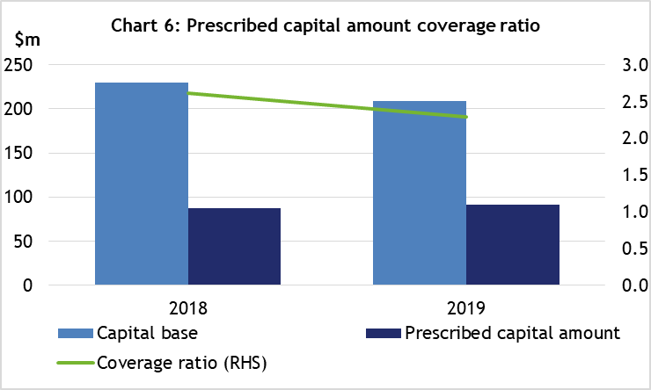

Policy liabilities

Total number of policies were 1.06 million as at 30 June 2019, a reduction of 5.9 per cent from the previous year, with non-investment linked funds contributing 731,000 (68.8%) and investment linked funds contributing 332,000 (31.2%) as at 30 June 2019 (Chart 7).

Total benefit funds' gross insurance amount were $28.2 billion, an increase of 37.2% from the previous year, with non-investment linked funds contributing 86.7% and investment linked funds contributing 13.3% (Chart 8).

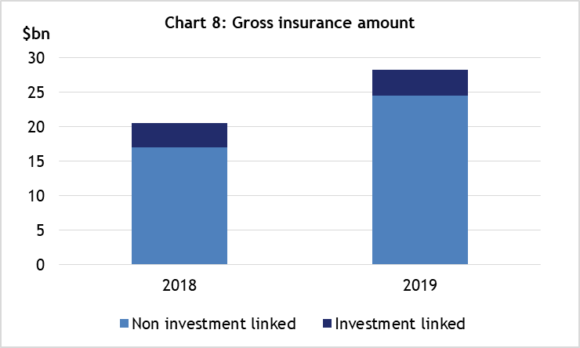
d 'Other' comprises other investments and other assets.

