Charts
Industry-level results from 30 June 2018 to 30 June 2025

Chart 1: Admittance rates1 by channels, for year ended Jun 2018 to Jun 2025 | Chart 2: Admittance rates1 by cover types, for year ended Jun 2018 to Jun 2025

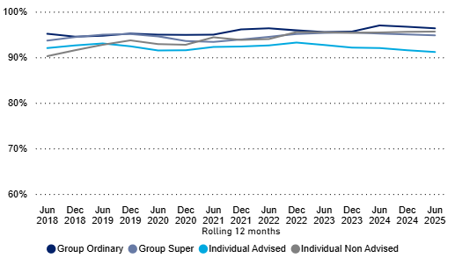
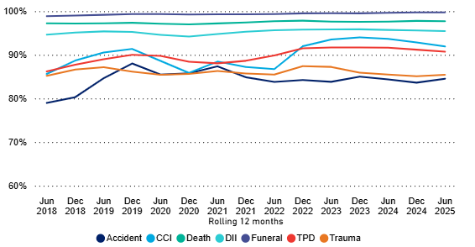

Chart 3: Claims paid ratio2 by channels, for year ended Jun 2018 to Jun 2025 | Chart 4: Claims paid ratios2 by cover types3, for year ended Jun 2018 to Jun 2025

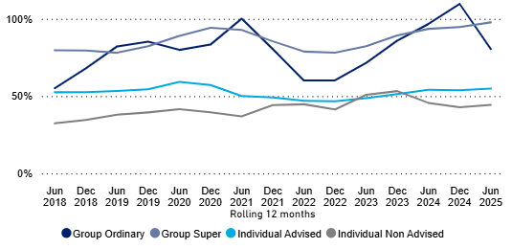
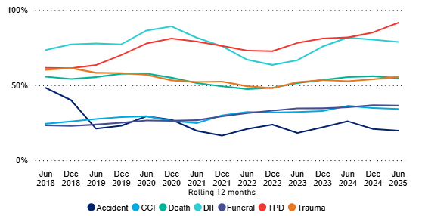

Chart 5: Dispute lodgement ratios4 by channels , for year ended Jun 2018 to Jun 2025 | Chart 6: Dispute lodgement ratios4 by cover types, for year ended Jun 2018 to Jun 2025

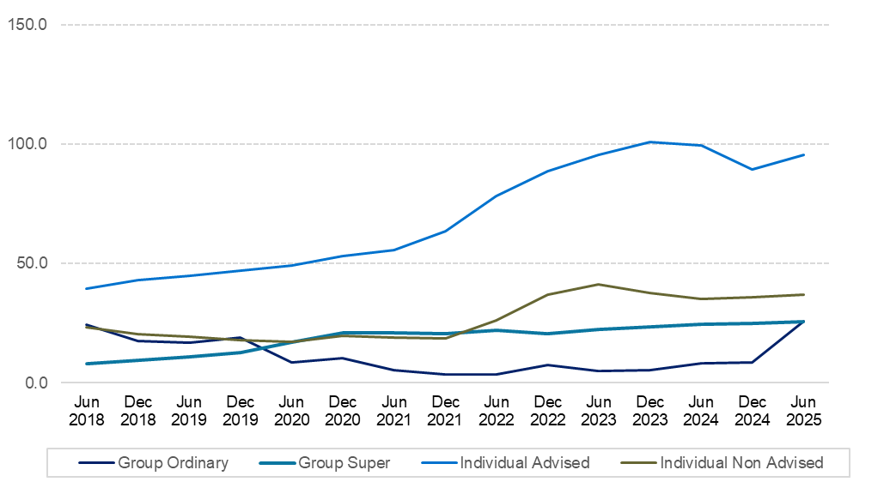
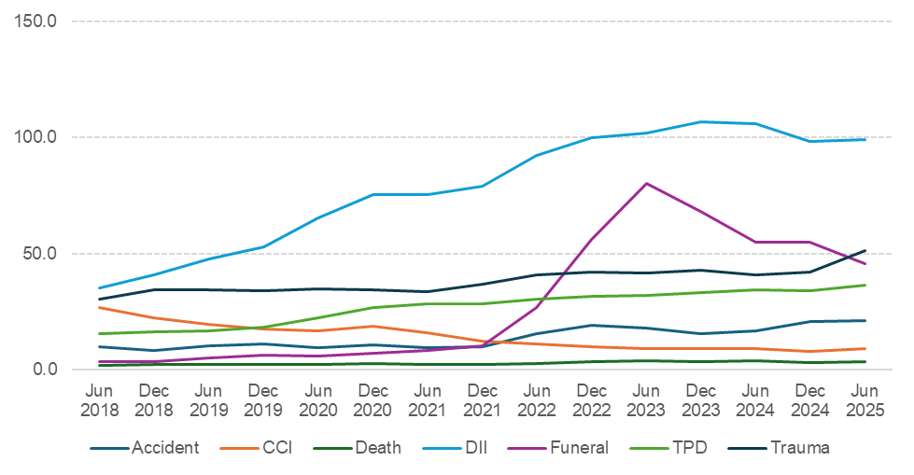

Chart 7: Original decision reversed5 by channels, for year ended Jun 2018 to Jun 2025 | Chart 8: Original decision reversed5 by cover types, for year ended Jun 2018 to Jun 2025
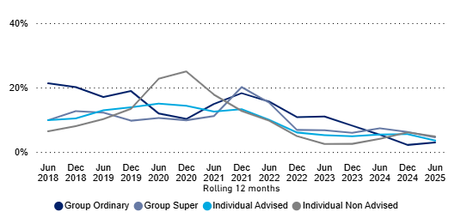
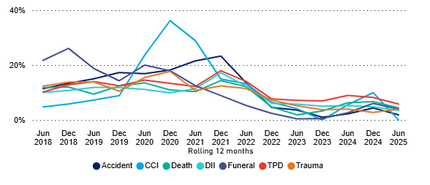

1 Admittance rate is defined as the number of admitted claims as a percentage of the number of finalised claims in the same period.
2 The claims paid ratio is the dollar amount of claims paid out in the reporting period as a percentage of the annual premium receivable in the same period.
3 DII has recurring monthly payments. For the purposes of the reported claims ratio, total payments are approximated using an assumed 24-month payout period.
4 The dispute lodgement ratio is defined as the number of disputes lodged per 100,000 lives insured.
5 Original decision reversed rate is defined as the number of disputes with original decision reversed as a percentage of the number of disputes lodged in the same period.

