Highlights
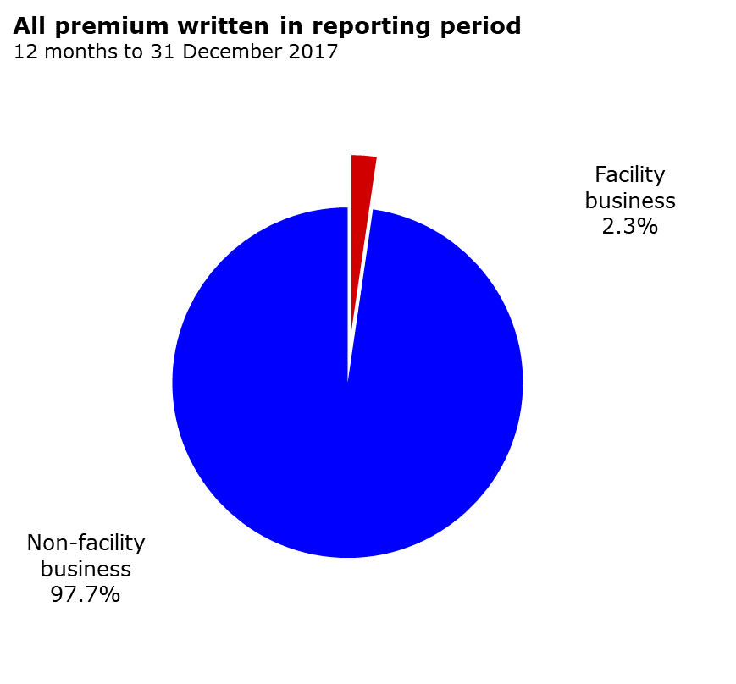
All premium written in reporting period 12 months to 31 December 2018
Facility business | 103016208
Non-facility business | 4440311243

Gross written premium ($ thousand)
Facility Business | 103,016
Non-Facility Business | 4,440,311
 | 4,543,327

Notes:
The remainder of the information in the NCPD reports relates only to non-facility business.

