Worked Examples
Worked Examples

To assist in the clarification of pilot data requested for draft 'SRF 605.0 RSE Structre' (draft SRF 605.0) and 'SRF 606.0 RSE Profile' (draft SRF 606.0), these examples illustrate a number of common structural features of superannuation funds. Two fictional entities have been created to describe this reporting (ABC Superannuation and XYZ Superannuation).

ABC Superannuation

ABC Superannuation provides superannuation to members via employers through:

 | • a MySuper superannuation product, ABC MySuper;
 | • an accumulation-phase superannuation product, ABC Accumulation; and
 | • a pension-phase superannuation product, ABC Pension.

Both accumulation and pension superannuation products offer access to additional direct investment options through an investment platform for which additional access fees are charged.

The following structure illustrates this scenario: |  | Structure Diagram

 | Superannuation products

 | Investment menus

 | Investment options

Draft SRF 605.0

Translating the structure and scenario, ABC Superannuation produce the following draft SRF 605.0 submission:

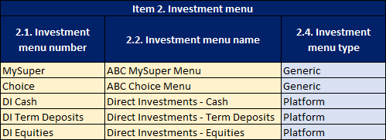

Reporting of MySuper product

All RSEs who are authorised to provide a MySuper product must report a MySuper product. Additional authorised large employer or goodwill MySuper products must be reported as separate products. The same unique identifier as currently reported on SRF 001.0 item 6 should be reported as the Superannuation product number.

As ABC Superannuation’s MySuper product utilises the ‘Balanced’ option as a single investment strategy, the fund reports a simple one-to-one-to-one relationship between superannuation product, investment menu and investment option (illustrated in the structure diagram).

Reporting of investment options (other than direct)

ABC Superannuation offers three non-direct investment options to accumulation and pension members: Growth, Conservative and Balanced. Where the same pool of assets supports each options i.e. their difference is purely a tax and/or fee and costs overlay then the RSE may elect to report this as one investment option. As each investment option combines both accumulation and pension members’ assets into the same pool, applying the same investment strategy, these are only required to be reported once.

Reporting of direct investment options

As illustrated in the structure diagram, the Direct Investments platform offers three levels of access, described by three investment menus. The Cash menu only grants access to the cash account, while the Term Deposits menu extends access to term deposits, and the Equities menu extends beyond this to include a range of equity investments.

As the S&P/ASX 200 Shares and Bank X 90 Day Term Deposits have been aggregated, the number of investments included in the aggregation has been reported. Note that as providers often allow members to maintain holdings in shares that have fallen out of the S&P/ASX 200, the number of investments may exceed the number of investments in the index at the reporting date.

Draft SRF 606.0

Given ABC Superannuation’s structure and submission to draft SRF 605.0, they prepare the following response to draft SRF 606.0 Item 4:

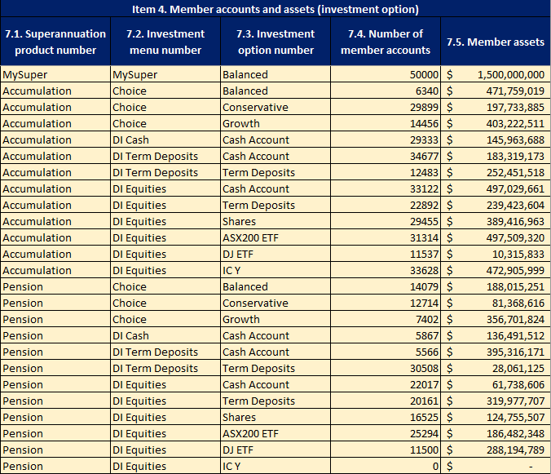

While investment options only need to be reported once in draft SRF 605.0, draft SRF 606.0 requires each superannuation product number / investment menu number / investment option number combination possible be reported. This includes combinations with no members or assets at the reporting date if an investment option is open to new members through that product / menu combination.

Members in the ‘ABC Accumulation’ product may invest part of their balance in the Balanced option. Members in the ‘ABC Pension’ product may also invest part or all of their balance in the Balanced option. These members should not be reported as members in the MySuper product. For the MySuper product / MySuper investment menu, only those members who have 100 per cent of their balance in the option are reported by ABC Superannuation.

For the Accumulation product / choice menu / balanced option combination, those members in the accumulation product which have some of their balance in the balanced option are reported. For the pension product / choice menu / balanced option combination, those members in the pension product which have some or all of their balance in the balanced option are reported.

XYZ Superannuation

XYZ Superannuation offers:

 | • a MySuper superannuation product with a lifecycle investment strategy, XYZ MySuper;
 | • an accumulation-phase superannuation product, XYZ Accumulation; and
 | • a pension-phase superannuation product, XYZ Pension.

The following structure diagram illustrates this scenario:
 |  | Structure Diagram

Superannuation products

Investment menus

Investment options

Draft SRF 605.0

Translating the structure and scenario, XYZ Superannuation produce the following draft SRF 605.0 submission:

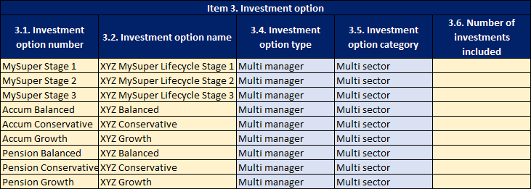

Reporting of MySuper product

As XYZ Superannuation utilises a lifecycle investment strategy for the MySuper product, they report an investment menu with the menu type ‘Lifecycle option’ and they report the three lifecycle stages as investment options.

Reporting of investment options

XYZ Superannuation, like ABC, offer three non-direct investment options to members in the accumulation and pension products, Growth, Conservative and Balanced. Unlike ABC, different asset pools are maintained for each option depending on whether it belongs to an accumulation or pension product. Therefore, despite employing identical investment strategies, they report these as six separate investment options.

Draft SRF 606.0

Given XYZ Superannuation’s structure and submission to draft SRF 605.0, they prepare the following response to draft SRF 606.0 Item 4:

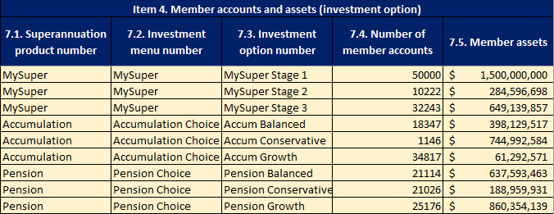

As each of XYZ Superannuation’s investment options are only accessible through one superannuation product and one investment menu, each investment option is only reported once in draft SRF 606.0 Item 4.

